Sheet1
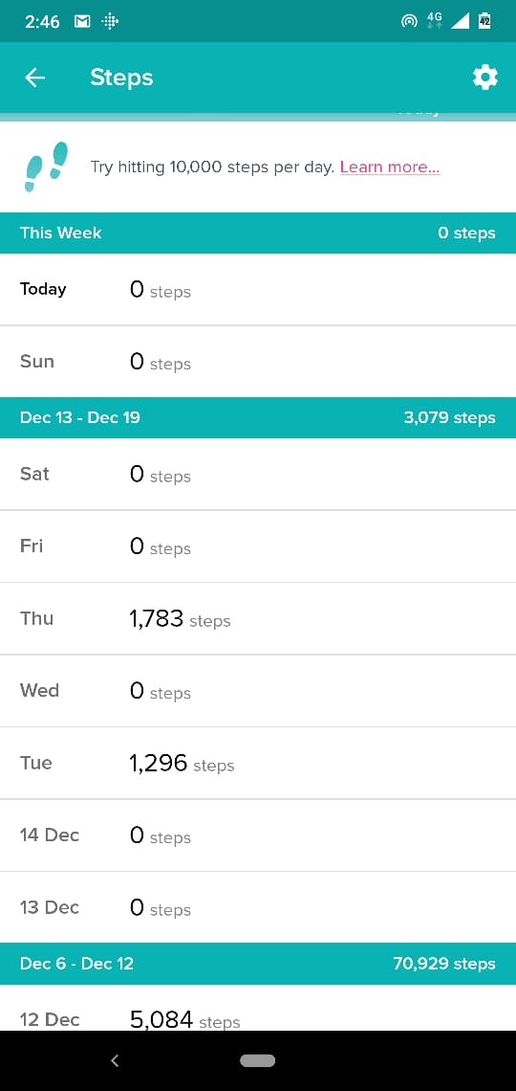
#LetsGetHealthy - WALKATHON CHALLENGE
Team Name | WeWalk |  |  | Comment : The Challenge leaderboard is not getting updated for most of team members. So, sharing individual's screenshots for the weekly scores!
Team Captain | Anmol Kaur |  |  | Dinesh's steps were getting accumulated in daily step count cumulatively. He wasn't getting weekly summary. May be some problem with the app.
Uploaded by | Anmol Kaur
Date | 2020-12-19
Team Details
Sl. No. | Team Member Name | Total Steps
1 | Anav | 34982
2 | Anmol Kaur | 205
3 | Madalsa Gupta | 18236
4 | Saurav Saxena | 26323
5 | Himanshu Mehta | 12118
6 | Deepak Mishra | 4965
7 | Dinesh Sharma | 3448
8 | Vinay Kumar | 3079
9 | Yogesh Goyal
10 | N/A
Team - Total Steps |  | 103356

Madalsa Gupta |  |  | Deepak Mishra |  |  |  | Yogesh Goyal |  | Himanshu Mehta
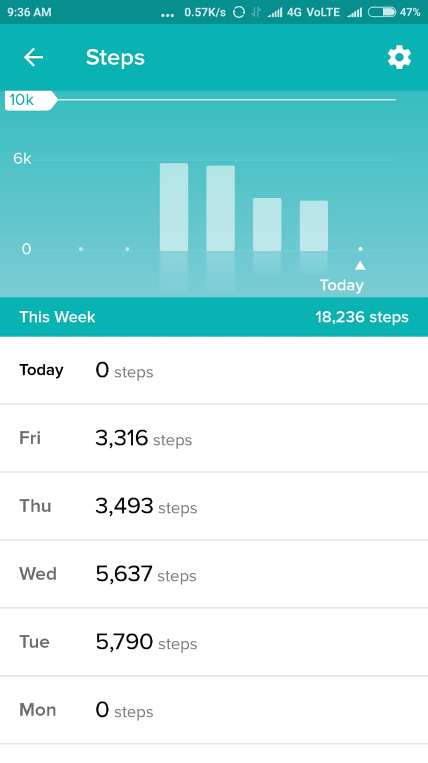
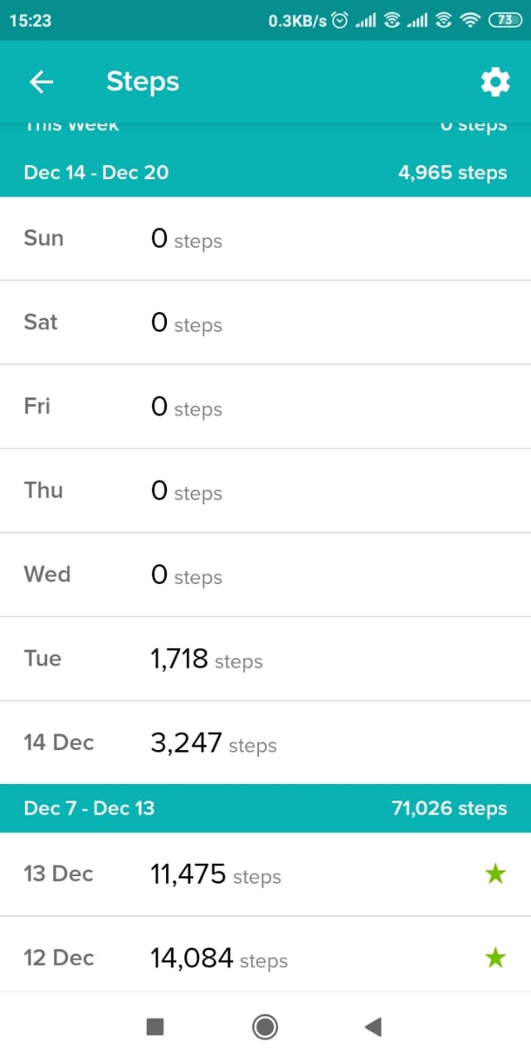
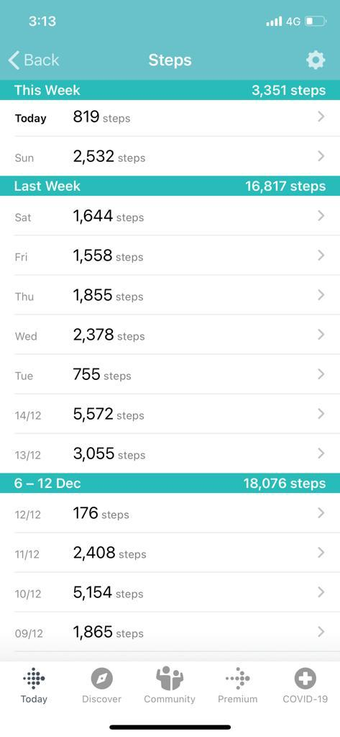
 |  |  |  |  |  | 0 steps

Saurav Saxena |  | Anmol Kaur |  |  | Dinesh Sharma |  |  | Anav
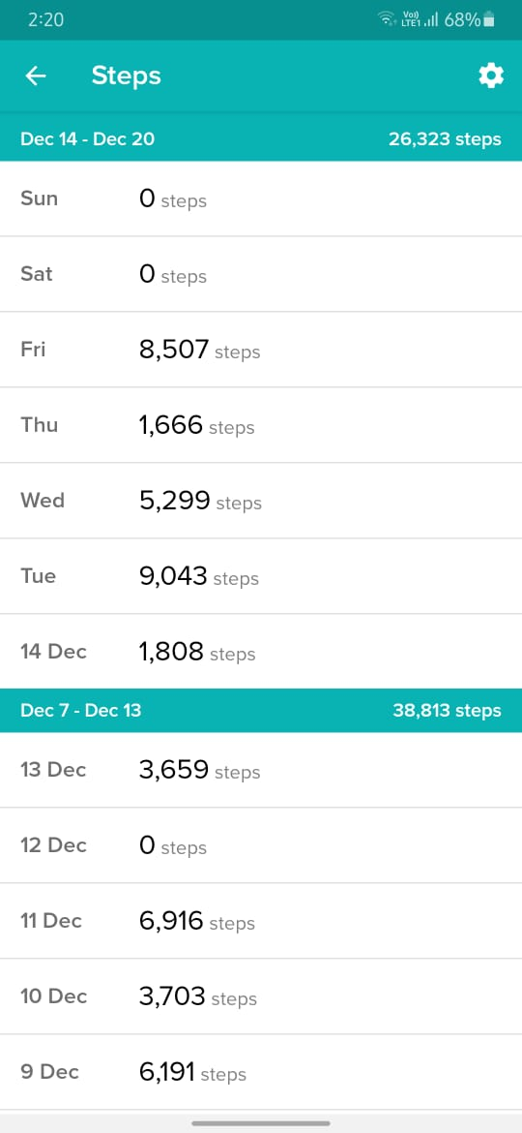
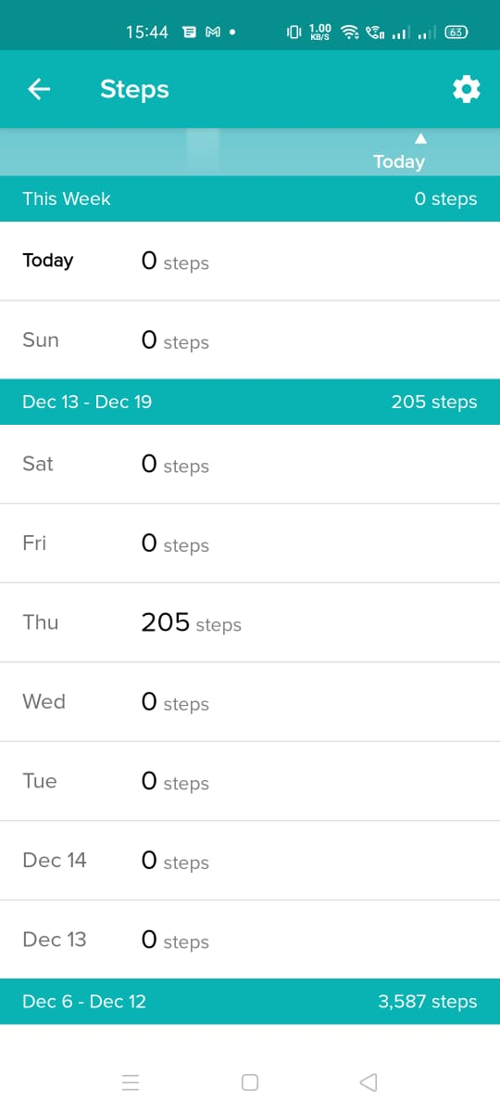
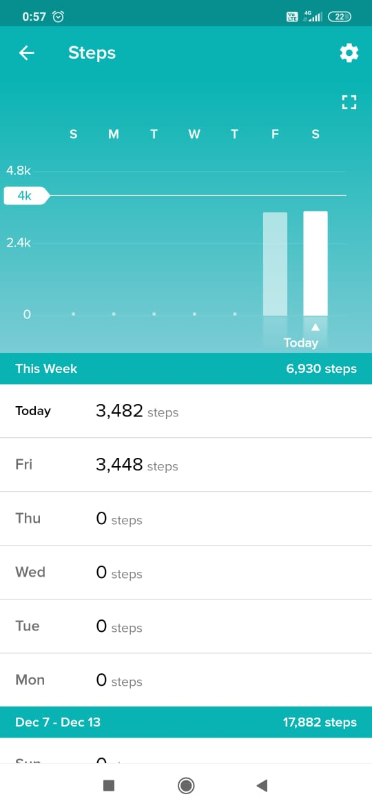
 |  |  |  |  |  |  |  | please see next tab

Vinay Kumar

Anav
